T1.1
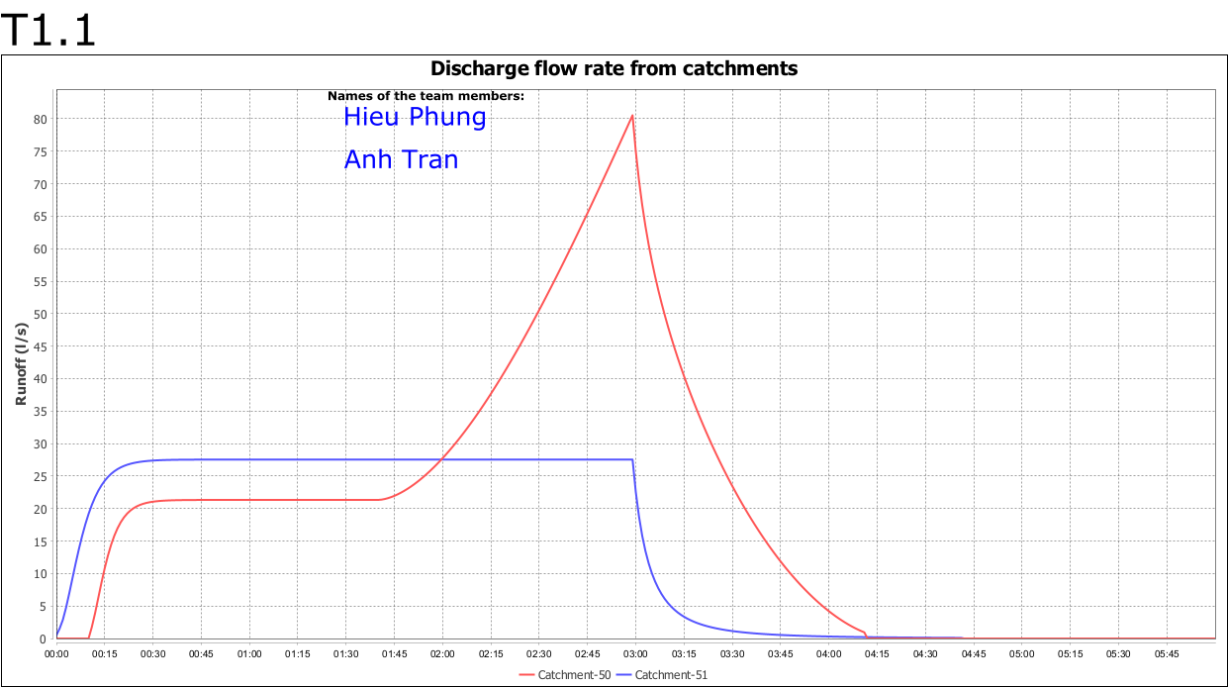
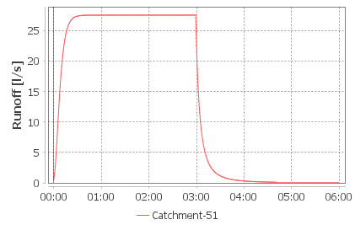
NETWORK DESIGN
Project work: Stormwater systems

 | Name | Student No.
Student 1 | Hieu Phung | 50360965
Student 2 | Anh Tran | 150404048

TASK DESCRIPTION

Analyze the existing conditions on the study area. Make observations on how certain parameters affect the output hydrograph at Mattilankatu crossing (Conduit-113). Simulate 10% design storm events with durations of 15, 30, 60, 180 and 360 mins.

T1.1 | EXISTING CONDITIONS

A
Plot Flow hydrograph for each event at Conduit-113.
15 mins |  | 30 mins | 60 mins |  | 180 mins |  | 360 mins
 | 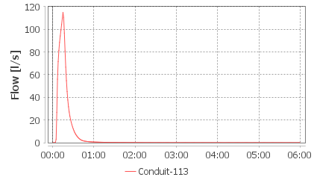 | 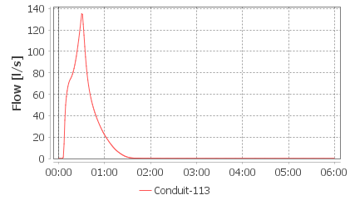 |  | 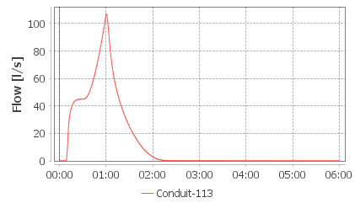 |  | 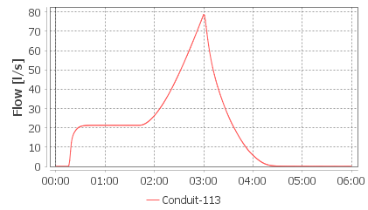 |  | 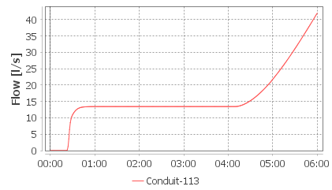

B
Which event duration results in the maximum flow? What is the maximum flow (l/s)?

 | Event
 | 10% 30 minutes
 | Peak flow rate
 | 134.99 | l/s

C
At a general level, how are the above hydrographs different? What is different in them?
 | These hydrographs are different in Maximum flow. The peak of the flow are 120, 140, 100, 80, and 40 L/s. The reason is because of the different rain event. The longer the rain, the more infiltration to the ground. Therefore, the Max flow are affected.

D
Why different storm durations result in observed the differences?
 | The longer the interval of time, more water will run off.

E
In 10% 180min event, compare the Runoff hydrograph from a built catchment (Catchment-51) and the non-developed catchment (Catchment-50). Add hydrograhs to the report and describe why hydrographs have quite different shapes?

Based on hydrological catchment parameters, describe why hydrographs have quite different shapes?
 | The hydrographs have different shapes are because of: - Slope: the higher the slope, the water will flow faster, therefore, the infiltration rate will decrease, which lead to the run off increases. In area 50, the slope is smaller, therefore, at the beginning the run-off is smaller than area 51. But after some hours, when the water has flow all the way to the outfall, then there is no run-off in area 51, but, in area 50, since the area is larger and the slope is smaller, then, the time for run off is much more than in area 51. That is why the hydrograph is different. - Terrain of the catchment: another impact of the run-off can be the terrain. In area 51, there are roads and houses, hence, the run-off will be at high intensity at the beginning. While in area 50, there are only soil, thus, it takes time for the water to infiltrate into the soil first before running off. |  |  | 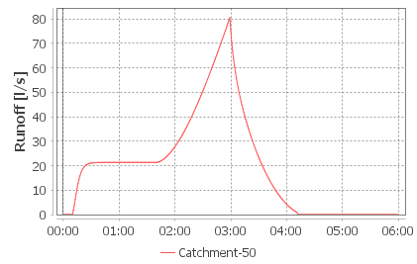

 | Add the Schematic T1.1 below (add as a PNG image):

T2
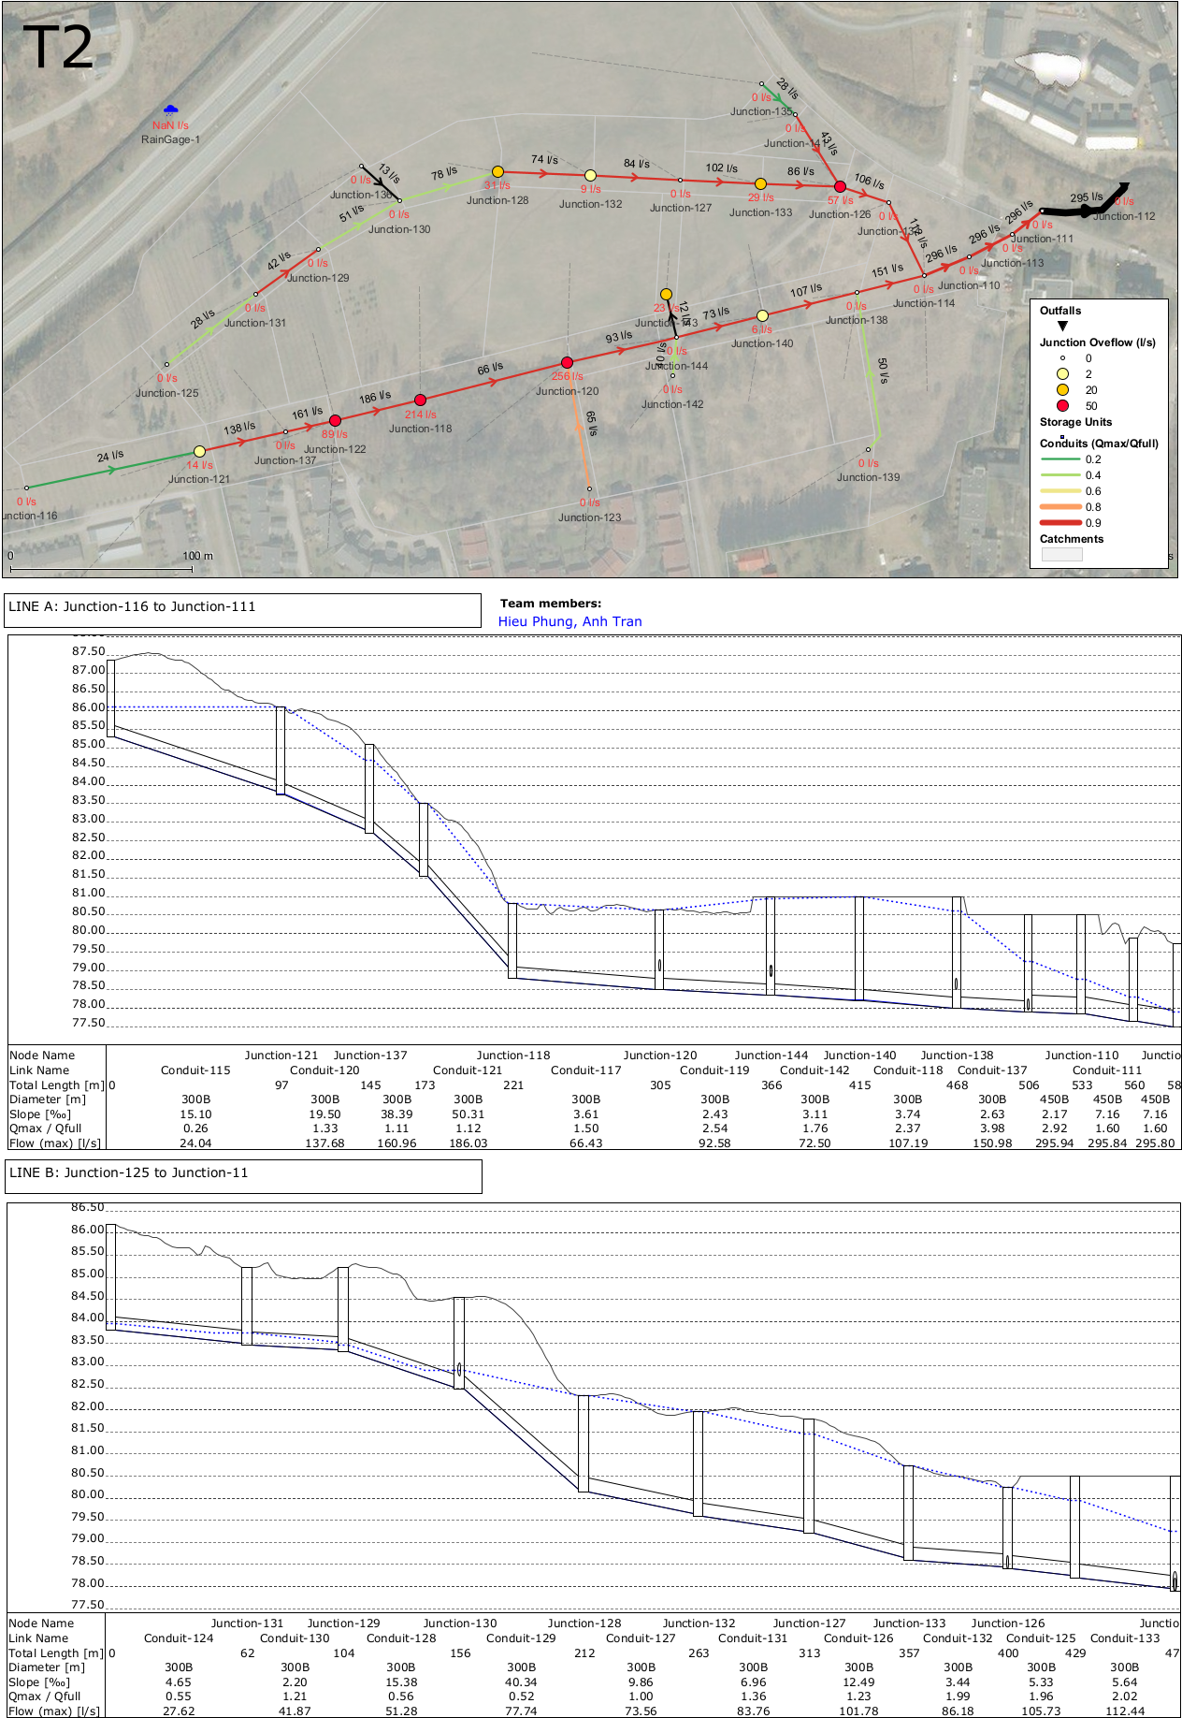
T2 | FUTURE CONDITIONS
Let’s analyze the developed conditions on the study area. In this scenario the landuse and catchment parameters are based on the future conditions. However, the stormwater network has not been sized yet and there are no stormwater management methods applied.

Schematic
Add schematic below

T3
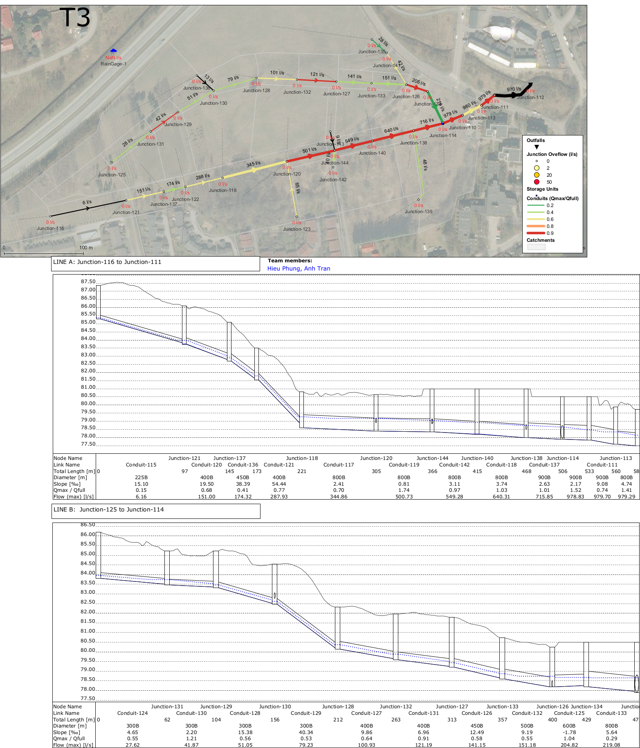
T3 | FUTURE CONDITIONS
Size the stormwater network using the design criteria provided.

Schematic
Add schematic below

T4
T4 | FUTURE CONDITIONS
The impact of land use.

A
What is the absolute and percentage change compared to the peak flow identified in Task 1.1B?

 | Absolute change
 | 979.7 | l/s
 | 134.99 |  | (Peak flow from task T1.1)
 | Percentage change
 | 725.75746352 | %

B
Add schematic below
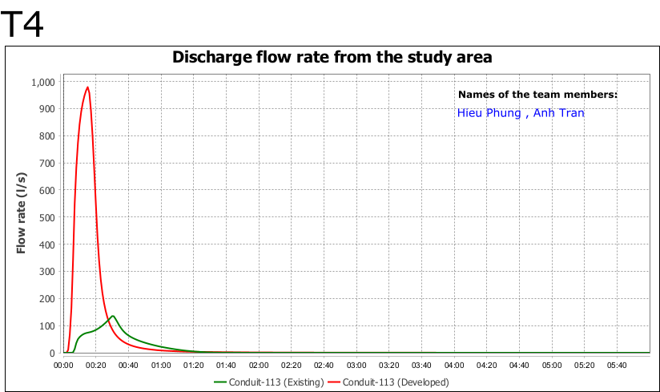

C
What problems such differences in flow outputs could cause in the urban area and in the receiving creek? Can you identify 5 problems?
 | From the graph above, we could see that the discharge flowrate of developed conduit is much higher than the existing conduit. This can lead to the problem of: - Flooded creek: since the flowrate is high, thus, it is impossible that the amount of water exceed the capacity of the creek. When the capcity of the creek is exceeded, the flowrate can be spilled out and that leads to the second issues. - Flooded street: as explained above, the water is spilled out from the creek and can cause flooded on the street. - Water borne diseases: stormwater is not a clean source of water. It might contains pathogens and viruses which were diffused in the raindrop or absorbed during the movement to the stormwater system. So, when the urban area is flooded, people living there might exposed to the water and their health can be affected. - Abrasion: since the flowrate is high, the water can cause erosion to the wall of the creek. - Wash out rate increase: when the flowrate is too high, it can cause sewage mix with surface water.

T5
T5 | FUTURE CONDITIONS
The city council has proposed an underground stormwater detention system (”storm chamber”) to attenuate peak flows before flows exit the new development. Let’s assess the benefits of stormwater detention in the network and find an optimal size for the tank. For Junction-114 (which is a Storage Unit now), modify the Area Curve until the 10% 15minute peak flow rate is less than the existing scenario peak flow (see your result in Task 1.1B).

A
How is your ultimate Storage curve?

Depth (m) | Area (m²)
0 | 3100
1.2 | 3100

B
What is the peak flow rate at Conduit-113 with your solution?
 | 118.72 | l/s

C
How much stormwater was stored in the stormwater detention tank?
 | 745.62 | m³

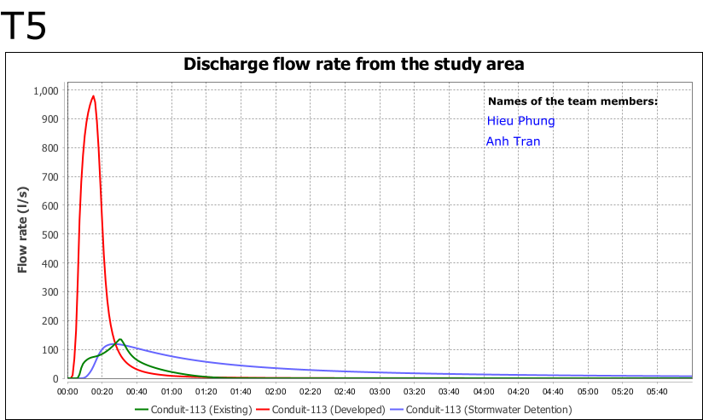
D
Add schematic below

